Step by Step Guide
Step by Step Guide
Step 1
Analyse the problem
Undertake pre-evaluation
(refer to form A)
If there is a problem or issue…
If there is not a problem or issue…
No further assessment is required

No further assessment about outsourcing is required
Step 2
Identify options
Consider all options to improve efficiencies in operations (e.g. outsourcing, suppliers, Library Management systems, standardisation, etc)
If outsourcing is being considered…
If outsourcing is not being considered…

Step 3
Preliminary evaluation
Prepare an outsourcing business case
How will resources be allocated? (e.g. reallocation to customer related roles, events, etc)
Is the library a major employer in the local community?
If yes, special attention should be given to potential negative social impacts
How will outsourcing fulfil other library objectives (e.g. future library model, community satisfaction, etc)?

Step 4
Consult with State Library of New South Wales or consultant
Consult with State Library of New South Wales, Public Library Services team
The State Library of New South Wales can provide advice on using this tool to analyse the costs and benefits of outsourcing

Evaluation form
EVALUATION FORM RESULTS

Library Size
Library Size | Acquisitions | Average Population | Average Staff (FTE)
Very Small | Less than 5,000 | 11,090 | 4.4
Small | Less than 12,000 | 26,661 | 17.3
Medium | 12,000-25,000 | 79,484 | 28.5
Large | More than 25,000 | 174,773 | 55.8
Very Large | More than 35,000 | 194,788 | 61.9

Implications Small: potential for high economic benefits. However, special consideration will need to be given to potential negative social impact (e.g. impact on community from loss in jobs) Medium: potential for significant benefit from outsourcing across economic, operations and social indicators. Large - potential for moderate benefits, however may already be achieving some efficiencies in operations.

Library Model
Outsourcing behaviour
Implications All yes: No further benefits to be gained. No assessment is required. Some yes: There may be further benefits to be gained from outsourcing all operations. Further assessment is required. If no to all – potential for significant benefits to be gained from outsourcing operations. Further assessment is required.

Library model
Implications Stand Alone: potential for significant benefits from outsourcing operations. Regional: there may be significant benefits to be gained from outsourcing operations. Cooperative - potential for significant benefits. However, Libraries under this model may already be achieving cost efficiencies benefits, meaning that the benefit of outsourcing is marginal.

OPERATIONS AND SERVICE EVALUATION MATRIX

COST EFFICIENCY
LIBRARY VALUE CHAIN
High cost efficiency
Low cost efficiency
Traditional library
Future library
1
2
3
1
2
3

Framework
Evaluation Tool - Framework
It is recognised that contemporary government practice expects publicly funded bodies to demonstrate their value to the community. Typically public goods such as libraries do not generate commercial value but instead provide a vital service and benefit to the community. This is illustrated in the figure below.

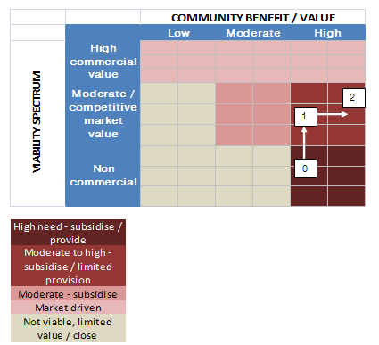

This spectrum provides a framework to this benefit cost analysis and highlights that strategies that focus on moving the position of the public good towards the right and/or upwards should be encouraged. The Case Study analysis presented in this report provide evidence that the transition to outsourcing can move the Library upwards (i.e. to box 1 - improved cost efficiency) and to the right through reallocation of resources (i.e. to box 2 - higher benefit). This evaluation tool has been designed to identify where individual libraries sit in this framework, and how outsourcing may help in acheiving benefits.

